Sheet1
Product photo | Product specifications
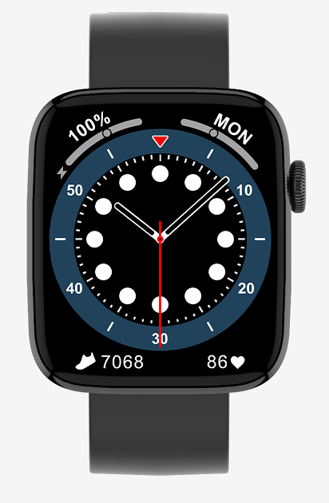 | Model | Choice
 | Compatible System | IOS / Android System
 | Function | Breathing training, dial push, stopwatch, brightness adjustment, multi-sports mode, sleep, heart rate, message, remote music, remote camera, weather, find phones (connected to mobile phones), Bluetooth calls, Bluetooth music playback, password protection, calculator, Split screen display, shortcut, weather, female assistant, massager
 | APP supported languages | Chinese, Traditional Chinese, English, Korean, German, Spanish, Japanese, French, Italian, Russian, Portuguese, Arabic, Ukrainian, Thai
 | Device supported languages | English, Chinese, Traditional Chinese, Danish, Greek, Latin, Romanian, Turkish, Hebrew, Czech, Polish, Spanish, German, Russian, Portuguese, French, Japanese, Italian, Vietnamese, Korean , Arabic, Persian
 | Manual language (neutral, brand optional) | Chinese, English
 | app | Wearpro
 | Chip | RTL8762DK
 | Android OS | Supports Android 4.4 and above
 | IOS | Apple iOS 10.0 and above
 | Heart Rate Sensor | Zhangheng BD1662_I2C
 | Bluetooth | Bluetooth 5.0
 | Waterproof Level | IP68
 | Craftsmanship | Zinc alloy+IML
 | Product weight | 36g
 | Screen size | 1.8 inch （Real 1.72）
 | Screen Resolution | 320*385 (Real240*283)
 | Screen type | IPS full view color screen
 | Screen material | Glass
 | Total length of wristband | 250mm
 | Wristband material | Silicone
 | Size of case | 43*37*11MM
 | Size of strap | Watchband width： 20MM
 | Package size | 238*74*30MM
 | Packing size | 380*320*270MM
 | Packing quantity | 50 pcs/ box
 | Total weight (box packing + manual + product) | 175g
 | Battery Type | Lithium Battery
 | Battery Model | 372817 Polymer lithium
 | Battery voltage | 3.7V
 | Battery capacity | 180mAh
 | Life time | Normal use 3-5 days, standby 15-25 days. (depends on personal usage after connection )
 | Charging method | Wireless charger or magnet charger (optional)
 | Charging time | around 3 h
 | Color of Strap | Silicone: silver, gun
 | Certification | FCC ID,CE,ROHS,Battery certification

